KPI SUMMARY
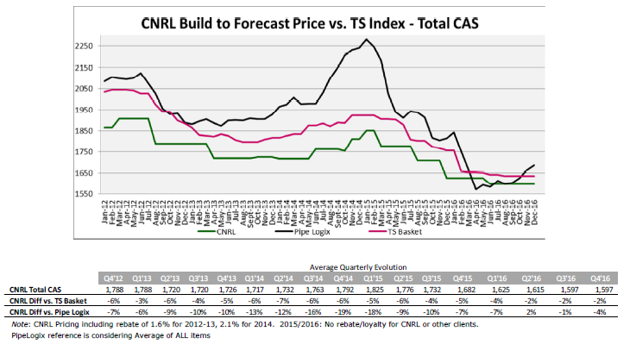
 |  |  |  |  |  |  |  |  | Canadian Natural Price Position: Relative to Pipe Logix Market & Peer Group Basket Comparison
 |  |  |  |  |  |  |  |  | Note: Canadian Natural pricing remains competitive with tight correlation with raw material price trends
 |  | Tenaris: Business Review
 |  | Updated: December 2016
Contract #: |  | 815585
MGSA Expiry: |  | 2021-02-28
ComplyWorks Status: |  | Acceptable
Class: |  | 4 | ** classification changing to Class 3 which will support Rig Direct Initiative

Spend Profile
Product Line | 2012 | 2013 | 2014 | 2015 | 2016
Line Pipe | $15,557,661 | $5,827,712 | $3,877,407 | $5,724,950 | $767,301
Casing & Tubing * | $169,442,339 | $139,172,288 | $156,122,593 | $39,275,050 | $632,699
Total * | $185,000,000 | $145,000,000 | $160,000,000 | $45,000,000 | $1,400,000

YoY Volume (Metric Tones)
Volume Profile (Metric Tonnes - Mtns) * includes Casing and Line Pipe (ERW + SMLS)
 | 2008 | 2009 | 2010 | 2011 | 2012 | 2013 | 2014 | 2015 | 2016
Q1 | 10,000 | 10,000 | 18,000 | 23,000 | 24,000 | 22,000 | 28,000 | 1,000 | 2,000
Q2 | 8,000 | 8,000 | 6,000 | 17,000 | 18,000 | 13,000 | 12,000 | 3,000 | 1,000
Q3 | 11,000 | 6,000 | 16,000 | 21,000 | 25,000 | 19,000 | 20,000 | 6,000 | -
Q4 | 11,000 | 11,000 | 20,000 | 20,000 | 23,000 | 21,000 | 21,000 | 7,000 | To be updated
Total | 40,000 | 35,000 | 60,000 | 81,000 | 90,000 | 75,000 | 81,000 | 17,000 | 3,000
Note: Qty rounded to the nearest thousand

Global Safety Report
Year | Q1 |  | Q2 |  | Q3 |  | Q4 |  | TOTAL
 | IFR | LTIFR | IFR | LTIFR | IFR | LTIFR | IFR | LTIFR | IFR | LTIFR
2016 | 4.5 | 2.5 | 3.3 | 2.0 | 4.4 | 2.5
2015 | 5.1 | 3.0 | 4.6 | 2.5 | 5.3 | 3.4 | 3.8 | 2.1 | 4.7 | 2.8
2014 | 5.2 | 2.9 | 7.5 | 3.9 | 4.9 | 2.2 | 4.4 | 2.0 | 5.4 | 2.7
2013 | 6.5 | 2.3 | 5.9 | 2.0 | 5.3 | 2.2 | 5.1 | 2.2 | 5.7 | 2.2
2012 | 7.0 | 3.7 | 6.4 | 3.2 | 6.6 | 2.7 | 6.2 | 2.2 | 6.6 | 3.0
IFR = Medical Treatments + Restricted Work + Lost Time Accidents |  |  |  | LTIFR = Lost Time Accidents |  | * data represents 11 mills + Field/yard services

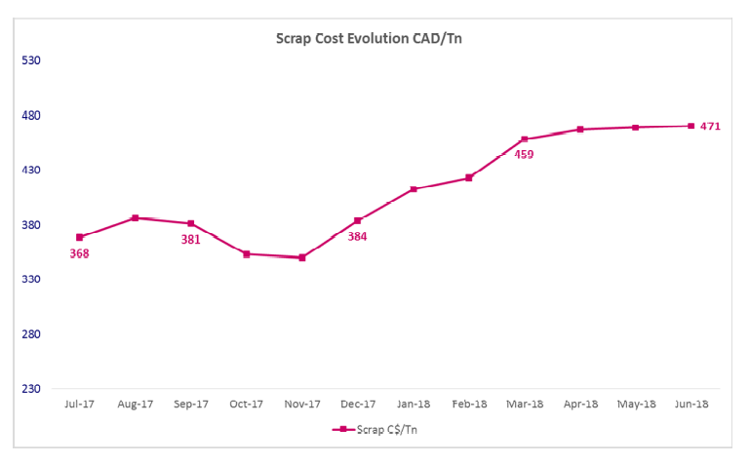
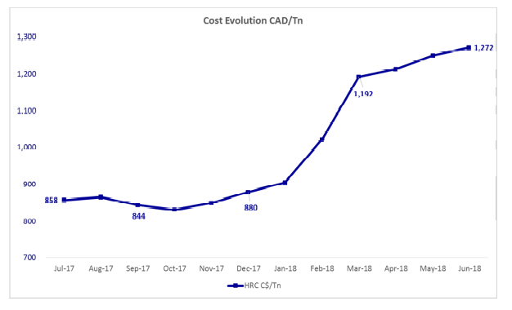
Areas for Continuous Improvement & Measurement in 2017 |  |  |  |  |  |  |  |  | OCTG Cost Drivers and Raw Material Market Trends
Documenting Field or well-site efficiencies? Informal quarterly reviews with Field/Business Areas
Monthly In-house Training Sessions (Tenaris University)
Improved forecasting and inventory management (plan vs. actual, days of inventory)
Savings Targets (Hard and soft savings through technical improvements or string design)
Review criteria for rebate. Expand exposure for international
Log open/closed key initiatives, issues and achievements

2016 Achievement Log
Commercial | Description |  |  | Value Add
Cost Avoidance | Cancellation of 1300MT casing |  |  | $2.77 MM
Cost Savings | Reduce Packer Threading ($17.5K/well) |  |  | $350K
 | Short-term price reduction on select Line Pipe products |  |  | $202K
 |  |  |  | $3.32 MM

