Cost Allocation
INTERNAL ANNUAL SPEND |  |  |  |  | EXTERNAL ANNUAL SPEND
Annual Spend Comparison
 | 2014 | 2015 | 2016 | 2017 |  | 2014 | 2015 | 2016 | 2017
Roevin | $10,074,962 | $5,303,214 | $8,198,796 | $5,472,893 | Roevin | $10,074,962 | $5,303,214 | $8,198,339 | $5,472,893
AeroteK ULC | $1,816,328 | $2,053,376 | $1,405,628 | $6,985 | Vendor B | $1,816,328 | $2,053,376 | $1,405,628 | $6,985
Noramtec | $1,704,709 | $1,843,995 | $2,201,545 | $1,314,249 | Vendor C | $1,704,709 | $1,843,995 | $2,201,545 | $1,314,249
 | $13,595,999 | $9,200,585 | $11,805,968 | $6,794,126 |  | $13,595,999 | $9,200,585 | $11,805,512 | $6,794,126

 | 2014 | 2015 | 2016 | 2017 |  | 2014 | 2015 | 2016 | 2017
Roevin | 74% | 58% | 69% | 81% | Roevin | 74% | 58% | 69% | 81%
AeroteK ULC | 13% | 22% | 12% | 0% | Vendor B | 13% | 22% | 12% | 0%
Noramtec | 13% | 20% | 19% | 19% | Vendor C | 13% | 20% | 19% | 19%
 | 100% | 100% | 100% | 100% |  | 100% | 100% | 100% | 100%

Annual Spend Data with Staffing Agencies (Internal)
Annual Spend Data with Staffing Agencies (External)

Roevin Spend by Area
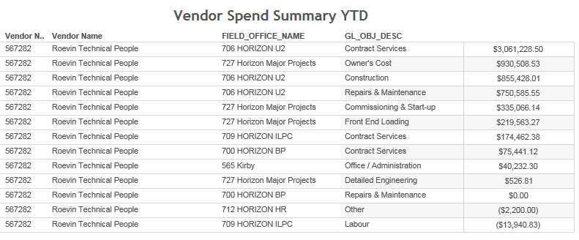
Spend by Area | 2015 | 2016 | 2017 | Total Spend from 2015-2017 to date
727Horizon Major Projects | $4,315,812 | $3,631,096 | $1,266,101 | $9,213,009
706 U2 | $413,546 | $1,007,529 | $3,916,657 | $5,337,731
721Corp Supp,715 TD, 712HR & 565 Kirby | $307,143 | $3,321,475 | $40,232 | $3,668,850
709 IL&PC, 703Mining, 700BP | $266,713 | $238,696 | $249,903 | $755,312
 |  |  | $5,472,893.28

Roevin Total Spend by Area from 2015-2017
 | Total Spend from 2015-2017 to date | 2016 | 2015 | #REF! | #REF! | #REF!
727Horizon Major Projects | $9,213,009 | $3,631,096 | $4,315,812 | 1 | 1 | 1
706 U2 | $5,337,731 | $1,007,529 | $413,546
721Corp Supp,715 TD, 712HR & 565 Kirby | $3,668,850 | $3,321,475 | $307,143
709 IL&PC, 703Mining, 700BP | $755,312 | $238,696 | $266,713

 |  |  |  |  | Vendor Spend Summary as of Oct 25 2017

